biodiesel
Biodiesel [FAME] : World Production, by Country (1000 T)

 |  |  |  |  |  |  |  |  |  |  |  |  |  |  | Ethanol, Billion litres |  |  | Biodiesel, Bi litres
 |  |  |  |  |  |  |  |  |  |  |  |  |  |  | 2011 | 2012 | 2013 | 2011 | 2012 | 2013
 |  |  |  |  |  |  |  |  |  |  |  |  |  | WORLD | 83.8 | 82.6 | 87.2 | 23.0 | 23.6 | 26.3
 |  |  |  |  |  |  |  |  |  | Brazil | 2011 | 2012 |  | EUROPE | 4.6 | 4.5 | 4.5 | 9.88 | 9.43 | 10.45
 |  |  |  |  |  |  |  |  |  | FAO | 2469.95 | 2536.64 |  | AMERICAS | 74.7 | 73.1 | 78.9 | 9.53 | 8.75 | 10.51
 |  |  |  |  |  |  |  |  |  | Licht's | 2352 | 2391 |  | ASIA | 3.4 | 3.7 | 3.5 | 2.72 | 3.44 | 4.77
 |  |  |  |  |  |  |  |  |  |  |  |  |  | OCEANIA | 0.3 | 0.3 | 0.3 | 0.41 | 0.52 | 0.36
 |  |  |  |  |  |  |  |  |  |  |  |  |  | AFRICA | 0.3 | 0.3 | 0.0 | 0 | 0 | 0
 |  |  |  |  |  |  |  |  | Density
 |  |  |  |  |  |  |  | BIODIESEL | 0.001136 |  | BIODIESEL
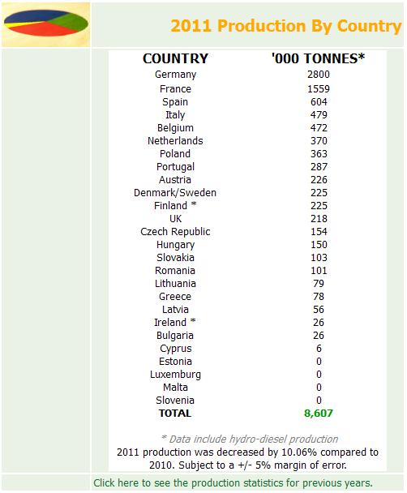
 | 1000t |  |  |  |  |  |  |  |  |  | 000 l
 | 2013 | 2012 | 2011 | 2010 | 2009 | 2008 |  | 2013 | 2012 | 2011 | 2013 | 2012 |  | Addition
WORLD | 23191 | 20813 | 20239 | 16636 | 15437 | 13724 |  | 26.34 | 23.64 | 22.99 | 26344976 | 23643568 | 111% | 2.70
Europe |  | 8187 | 8720 | 9129 | 8991 | 7415 |  | 0.00 | 9.30 | 9.91 | 0 | 9300432 | 0% | -9.30
EU | 9201 | 8297 | 8698 | 8991 | 8893 | 7325 |  | 10.45 | 9.43 | 9.88 | 10452336 | 9425392 | 111% | 1.03 | 1.1142555134
S. America |  | 5233 | 5105 | 4151 | 2815 | 1882 |  | 0.00 | 5.94 | 5.80 | 0 | 5944688 | 0% | -5.94
N & C Am. |  | 3299 | 3303 | 1238 | 1804 | 2784 |  | 0.00 | 3.75 | 3.75 | 0 | 3747664 | 0% | -3.75
U.S.A. | 4200 | 3270 | 3191 | 1132 | 1703 | 2694 | 1 | 4.77 | 3.71 | 3.62 | 4771200 | 3714720 | 128% | 1.06
Asia |  | 2973 | 2428 | 1986 | 1725 | 1591 |  | 0.00 | 3.38 | 2.76 | 0 | 3377328 | 0% | -3.38
Argentina | 1997.1 | 2455 | 2427 | 1815 | 1179 | 712 | 2 | 2.27 | 2.79 | 2.76 | 2268705.6 | 2788880 | 81% | -0.52
Germany | 2700 | 2600 | 2780 | 2350 | 2500 | 2600 | 3 | 3.07 | 2.95 | 3.16 | 3067200 | 2953600 | 104% | 0.11
Brazil | 2567.4 | 2391 | 2352 | 2100 | 1415 | 1027 | 4 | 2.92 | 2.72 | 2.67 | 2916566.4 | 2716176 | 107% | 0.20
France | 1800 | 1650 | 1400 | 1996 | 2089 | 1763 | 5 | 2.04 | 1.87 | 1.59 | 2044800 | 1874400 | 109% | 0.17
Indonesia | 1750 | 1550 | 1250 | 800 | 500 | 600 | 6 | 1.99 | 1.76 | 1.42 | 1988000 | 1760800 | 113% | 0.23
Thailand | 930 | 789 | 556 | 524 | 493 | 394 | 7 | 1.06 | 0.90 | 0.63 | 1056480 | 896304 | 118% | 0.16
Poland | 830 | 592 | 364 | 371 | 396 | 170 | 8 | 0.94 | 0.67 | 0.41 | 942880 | 672512 | 140% | 0.27
Spain | 250 | 440 | 649 | 841 | 727 | 221 | 9 | 0.28 | 0.50 | 0.74 | 284000 | 499840 | 57% | -0.22
Netherlands | 380 | 377 | 491 | 382 | 274 | 83 | 10 | 0.43 | 0.43 | 0.56 | 431680 | 428272 | 101% | 0.00
Italy | 400 | 350 | 620 | 799 | 798 | 668 | 11 | 0.45 | 0.40 | 0.70 | 454400 | 397600 | 114% | 0.06
Belgium | 330 | 330 | 350 | 350 | 416 | 277 | 12 | 0.37 | 0.37 | 0.40 | 374880 | 374880 | 100% | 0.00
Portugal | 290 | 313 | 366 | 318 | 255 | 169 | 13 | 0.33 | 0.36 | 0.42 | 329440 | 355568 | 93% | -0.03
Austria | 260 | 264 | 310 | 337 | 323 | 250 | 14 | 0.30 | 0.30 | 0.35 | 295360 | 299904 | 98% | 0.00
U.K. | 220 | 270 | 177 | 154 | 196 | 282 | 15 | 0.25 | 0.31 | 0.20 | 249920 | 306720 | 81% | -0.06
Colombia | 490 | 490 | 420 | 200 | 190 | 130 | 16 | 0.56 | 0.56 | 0.48 | 556640 | 556640 | 100% | 0.00
Korea,South |  | 240 | 240 | 240 | 170 | 80 | 17 | 0.00 | 0.27 | 0.27 | 0 | 272640 | 0% | -0.27
Malaysia | 330 | 141 | 50 | 117 | 240 | 190 | 18 | 0.37 | 0.16 | 0.06 | 374880 | 160176 | 234% | 0.21
Czech Rep | 150 | 173 | 210 | 198 | 155 | 75 | 19 | 0.17 | 0.20 | 0.24 | 170400 | 196528 | 87% | -0.03
China | 150 | 140 | 140 | 140 | 140 | 135 | 20 | 0.17 | 0.16 | 0.16 | 170400 | 159040 | 107% | 0.01
Oceania |  | 137 | 142 | 132 | 102 | 52 | 21 | 0.00 | 0.16 | 0.16 | 0 | 155632 | 0% | -0.16
Australia | 320 | 320 | 220 | 130 | 100 | 50 | 22 | 0.36 | 0.36 | 0.25 | 363520 | 363520 | 100% | 0.00
Sweden | 150 | 150 | 130 | 130 | 110 | 145 |  | 0.17 | 0.17 | 0.15 | 170400 | 170400 | 100% | 0.00
other S. America |  | 127 | 76 | 36 | 31 | 13 |  | 0.00 | 0.14 | 0.09 | 0 | 144272 | 0% | -0.14
other Europe |  | 119 | 83 | 102 | 75 | 90 |  | 0.00 | 0.14 | 0.09 | 0 | 135184 | 0% | -0.14
Philippines | 190 | 130 | 125 | 105 | 95 | 50 |  | 0.22 | 0.15 | 0.14 | 215840 | 147680 | 146% | 0.07
Slovakia | 120 | 110 | 125 | 113 | 103 | 105 |  | 0.14 | 0.12 | 0.14 | 136320 | 124960 | 109% | 0.01
Canada | 150 | 100 | 108 | 105 | 100 | 90 |  | 0.17 | 0.11 | 0.12 | 170400 | 113600 | 150% | 0.06
Taiwan |  | 75 | 50 | 20 | 32 | 5 |  | 0.00 | 0.09 | 0.06 | 0 | 85200 | 0% | -0.09
Denmark | 60 | 70 | 80 | 76 | 86 | 98 |  | 0.07 | 0.08 | 0.09 | 68160 | 79520 | 86% | -0.01
Belarus |  | 35 | 36 | 36 | 23 | 0 |  | 0.00 | 0.04 | 0.04 | 0 | 39760 | 0% | -0.04
Albania |  | 16 | 1 | 0 | 0 | 0 |  | 0.00 | 0.02 | 0.00 | 0 | 18176 | 0% | -0.02
India | 30 | 15 | 20 | 25 | 15 | 22 |  | 0.03 | 0.02 | 0.02 | 34080 | 17040 | 200% | 0.02
Singapore | 820 | 20 | 10 | 15 | 40 | 115 |  | 0.93 | 0.02 | 0.01 | 931520 | 22720 | 4100% | 0.91
Slovenia | 15 | 6 | 0 | 21 | 7 | 8 |  | 0.02 | 0.01 | 0.00 | 17040 | 6816 | 250% | 0.01
other Oceania |  | 2 | 2 | 2 | 2 | 2 |  | 0.00 | 0.00 | 0.00 | 0 | 2272 | 0% | 0.00
other N & C Am. |  | 1 | 4 | 1 | 1 | 0 |  | 0.00 | 0.00 | 0.00 | 0 | 1136 | 0% | 0.00
Peru | 40 | 30 | 20 |  |  |  |  | 0.05 | 0.03 | 0.02 | 45440 | 34080 | 133% | 0.01
Other | 975 |  |  |  |  |  |  | 1.11 | 0.00 | 0.00 | 1107600 | 0 | #DIV/0! | 1.11

HVO
 | 2013 | 2012 | 2011
EU | 1611 | 1401 | 404 |  |  |  |  | 1.83 | 1.59 | 0.46 | 1830096 | 1591536 | 115% | 0.24
U.S.A. | 260 | 100 | 110 |  |  |  |  | 0.30 | 0.11 | 0.12 | 295360 | 113600 | 260% | 0.18
Singapore | 800 | 800 | 400 |  |  |  |  | 0.91 | 0.91 | 0.45 | 908800 | 908800 | 100% | 0.00
TOTAL | 2671 | 2301 | 914 |  |  |  |  | 3.03 | 2.61 | 1.04 | 3034256 | 2613936 | 116% | 0.42

Productioncapacity
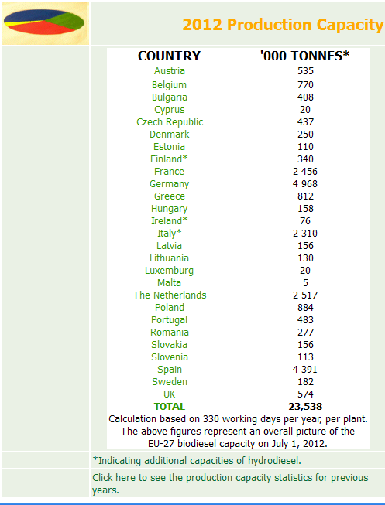

Europe
23538 | tonnes | 1140 | liter/ton | 26833320 | liters

US
Total annual production capacity of the plants that NBB has figures for is approximately 2.714 billion gallons.
 |  | 2.714 | b gal | 10.25892 | b L

Figure
Year |  |  |  |  |  |  |  |  |  |  |  | Revised from GSR 2012 preliminary
 | 2000 | 2001 | 2002 | 2003 | 2004 | 2005 | 2006 | 2007 | 2008 | 2009 | 2010 | 2011 | 2012 | 2013 |  | % change
 | 17.0 | 19.0 | 21.0 | 24.2 | 28.5 | 31.1 | 39.2 | 49.5 | 66.0 | 73.2 | 85.0 | 83.8 | 82.6 | 87.2 | Ethanol | 106%
 | 0.8 | 1.0 | 1.4 | 1.9 | 2.4 | 3.8 | 6.5 | 10.5 | 15.6 | 17.8 | 18.5 | 23.0 | 23.6 | 26.3 | Biodiesel | 111%
 | 0 |  |  |  |  |  |  |  |  |  |  | 1.0 | 2.6 | 3.0 | HVO | 116%
 | 17.8 | 20.0 | 22.4 | 26.1 | 30.9 | 34.9 | 45.7 | 60.0 | 81.6 | 91.0 | 103.5 | 107.8 | 108.9 | 116.6 | Total
 | 2001 | 19.0 | 1.0 |  | 20.0
 | 2002 | 21.0 | 1.4 |  | 22.4
 | 2003 | 24.2 | 1.9 |  | 26.1
 | 2004 | 28.5 | 2.4 |  | 30.9
 | 2005 | 31.1 | 3.8 |  | 34.9
 | 2006 | 39.2 | 6.5 |  | 45.7
 | 2007 | 49.5 | 10.5 |  | 60.0
 | 2008 | 66.0 | 15.6 |  | 81.6
 | 2009 | 73.2 | 17.8 |  | 91.0
 | 2010 | 85.0 | 18.5 |  | 103.5
 | 2011 | 83.8 | 23.0 | 1.038304 | 107.8
 | 2012 | 82.6 | 23.6 | 2.613936 | 108.9
 | 2013 | 87.2 | 26.3 | 3.034256 | 116.6
 | Ethanol | Biodiesel | HVO | Total
2001 | 19.0 | 1.0 |  | 20.0
2002 | 21.0 | 1.4 |  | 22.4
2003 | 24.2 | 1.9 |  | 26.1
2004 | 28.5 | 2.4 |  | 30.9
2005 | 31.1 | 3.8 |  | 34.9
2006 | 39.2 | 6.5 |  | 45.7
2007 | 49.5 | 10.5 |  | 60.0
2008 | 66.0 | 15.6 |  | 81.6
2009 | 73.2 | 17.8 |  | 91.0
2010 | 85.0 | 18.5 |  | 103.5
2011 | 83.8 | 23.0 | 1.038304 | 107.8
2012 | 82.6 | 23.6 | 2.613936 | 108.9
2013 | 87.2 | 26.3 | 3.034256 | 116.6

